amber_an
Amber Consumptions-Tank Pressure
 | CONSUMPTION | Press_TK1 | Press_TK2
4/13/2026 | 5.91 | 0.929 | 0.93
4/14/2026 | 9.88 | 0.931 | 0.931
4/15/2026 | 36.6 | 0.763 | 0.763
4/16/2026 | 26.9 | 0.855 | 0.856
4/17/2026 | 19.8 | 0.963 | 0.963
4/18/2026 | 21 | 1.071 | 1.071
4/19/2026 | 4.73 | 1.038 | 1.038
4/20/2026 | 5.7 | 0.979 | 0.979
12 | Date | BDN | ME_cons | F.vap_cons | GE_cons | BLR_cons | ROB_cal | ROB_cams | Discrepancy | Trim | List | Level_TK1 | Vap_temp_TK1 | Liq_temp_TK1 | Press_TK1 | Level_TK2 | Vap_temp_TK2 | Liq_temp_TK2 | Press_TK2 | PKI | MN | Min_MN | Molar_Mass | Density | CONSUMPTION
 | 2026-04-13 | 0 | 2.51 | 0 | 3.4 | 0 | 898.1 | 914.1 | -16 | -1 | 0 | 4.964 | -134.7 | -152.4 | 0.929 | 5.314 | -135.5 | -152.5 | 0.93 | 3.0280221661 | 81 | 70 | 17.111919764 | 0.42818641 | 5.91
 | 2026-04-14 | 0 | 6.02 | 0 | 3.6 | 0.26 | 888.3 | 903.6 | -15.3 | -1 | 0 | 4.866 | -139.9 | -152 | 0.931 | 5.331 | -131.6 | -152.1 | 0.931 | 3.0421429801 | 81 | 70 | 17.116530477 | 0.42749557 | 9.88
 | 2026-04-15 | 0 | 13.5 | 0 | 5.2 | 17.9 | 851.7 | 871 | -19.3 | -1 | 0 | 4.584 | -139.7 | -153 | 0.763 | 5.278 | -141.2 | -153.1 | 0.763 | 3.1288719759 | 80 | 70 | 17.145635546 | 0.43007072 | 36.6
 | 2026-04-16 | 0 | 15.6 | 0 | 4.4 | 6.9 | 824.8 | 842.5 | -17.7 | -1 | 0 | 4.358 | -152 | -152.6 | 0.855 | 5.254 | -151.7 | -152.7 | 0.856 | 3.1736035111 | 80 | 70 | 17.160750152 | 0.42959232 | 26.9
 | 2026-04-17 | 0 | 16 | 0 | 3.8 | 0 | 805 | 825.9 | -20.9 | -1 | 0 | 4.226 | -151.1 | -151.8 | 0.963 | 5.261 | -151 | -151.9 | 0.963 | 3.189096643 | 80 | 70 | 17.166108305 | 0.42812924 | 19.8
 | 2026-04-18 | 0 | 17.4 | 0 | 3.6 | 0 | 784 | 806.8 | -22.8 | -1 | 0 | 4.351 | -148.9 | -151 | 1.071 | 4.986 | -150.3 | -151.1 | 1.071 | 3.204368033 | 80 | 70 | 17.171268071 | 0.42666688 | 21
 | 2026-04-19 | 0 | 0 | 0 | 3.9 | 0.83 | 779.2 | 797.7 | -18.5 | -1 | 0 | 4.296 | -142.3 | -151.2 | 1.038 | 4.953 | -149.2 | -151.3 | 1.038 | 3.2248629424 | 80 | 70 | 17.178094983 | 0.42719735 | 4.73
 | 2026-04-20 | 0 | 0 | 0 | 4.7 | 1 | 773.5 | 771.6 | 1.9 | -1 | 0 | 4.175 | -139.3 | -151.5 | 0.979 | 4.83 | -147.5 | -151.7 | 0.979 | 3.2501195395 | 80 | 70 | 17.186420724 | 0.42806205 | 5.7

topaz_an
Topaz- Consumptions-Tank Pressure
 | CONSUMPTION | Press_TK1 | Press_TK2
5/9/2026 | 5.1 | 0.935 | 0.935
5/10/2026 | 4.4 | 0.937 | 0.936
5/11/2026 | 4.2 | 0.933 | 0.932
5/12/2026 | 5.1 | 0.921 | 0.919
5/13/2026 | 4.2 | 0.921 | 0.92
5/14/2026 | 4.4 | 0.906 | 0.905
5/15/2026 | 6.1 | 0.87 | 0.868
5/16/2026 | 6.8 | 0.845 | 0.844
38 | Date | BDN | ME_cons | F.vap_cons | GE_cons | BLR_cons | ROB_cal | ROB_cams | Discrepancy | Trim | List | Level_TK1 | Vap_temp_TK1 | Liq_temp_TK1 | Press_TK1 | Level_TK2 | Vap_temp_TK2 | Liq_temp_TK2 | Press_TK2 | PKI | MN | Min_MN | Molar_Mass | Density | CONSUMPTION
 | 2026-05-09 | 0 | 0 | 0 | 5.1 | 0 | 1055.6 | 1068.3 | -12.7 | -1 | 0 | 5.847 | -150.6 | -151.9 | 0.935 | 5.985 | -150.9 | -151.8 | 0.935 | 2.9092223861 | 81 | 70 | 16.882302944 | 0.42183877 | 5.1
 | 2026-05-10 | 0 | 0 | 0 | 4.4 | 0 | 1051.2 | 1065 | -13.8 | -1 | 0 | 5.83 | -150.4 | -151.9 | 0.937 | 5.969 | -150.8 | -151.8 | 0.936 | 2.9217077381 | 81 | 70 | 16.88583361 | 0.42191013 | 4.4
 | 2026-05-11 | 0 | 0 | 0 | 4.1 | 0.1 | 1047 | 1060 | -13 | -1 | 0 | 5.805 | -149.8 | -151.9 | 0.933 | 5.945 | -150.4 | -151.8 | 0.932 | 2.9340513302 | 81 | 70 | 16.889179915 | 0.42197811 | 4.2
 | 2026-05-12 | 0 | 0 | 0 | 5 | 0.1 | 1041.9 | 1054.7 | -12.8 | -1 | 0 | 5.776 | -150.2 | -151.9 | 0.921 | 5.919 | -150.7 | -151.9 | 0.919 | 2.9487446493 | 81 | 70 | 16.893369831 | 0.42216244 | 5.1
 | 2026-05-13 | 0 | 0 | 0 | 3.6 | 0.6 | 1037.7 | 1053.3 | -15.6 | -1 | 0 | 5.766 | -149.6 | -152 | 0.921 | 5.912 | -150.5 | -151.9 | 0.92 | 2.9612621496 | 81 | 70 | 16.896772242 | 0.42232859 | 4.2
 | 2026-05-14 | 0 | 0 | 0 | 3.8 | 0.6 | 1033.3 | 1048.5 | -15.2 | -1 | 0 | 5.749 | -148.1 | -152 | 0.906 | 5.88 | -149.2 | -152 | 0.905 | 2.9742224586 | 81 | 70 | 16.900443174 | 0.42250271 | 4.4
 | 2026-05-15 | 0 | 0 | 0 | 4.7 | 1.4 | 1027.2 | 1048 | -20.8 | -1 | 0 | 5.736 | -141.6 | -152.3 | 0.87 | 5.877 | -142.5 | -152.2 | 0.868 | 2.9924776662 | 81 | 70 | 16.905470653 | 0.42309667 | 6.1
 | 2026-05-16 | 0 | 0 | 0 | 6.8 | 0 | 1020.4 | 1043.8 | -23.4 | -1 | 0 | 5.712 | -138.4 | -152.5 | 0.845 | 5.851 | -139.4 | -152.4 | 0.844 | 3.0129297228 | 81 | 70 | 16.911271609 | 0.42360927 | 6.8

pearl_an
Pearl-Consumptions-Tank Pressure
 | CONSUMPTION | Press_TK1 | Press_TK2
4/1/2026 | 13.5 | 0.52 | 0.52
4/2/2026 | 9.9 | 0.52 | 0.52
4/3/2026 | 5.2 | 0.88 | 0.88
4/4/2026 | 6.4 | 1.01 | 1.01
4/5/2026 | 5.6 | 0.84 | 0.84
4/6/2026 | 5.2 | 0.71 | 0.72
4/7/2026 | 4.7 | 0.7 | 0.7
4/8/2026 | 4.9 | 0.69 | 0.69
0 | Date | BDN | ME_cons | F.vap_cons | GE_cons | BLR_cons | ROB_cal | ROB_cams | Discrepancy | Trim | List | Level_TK1 | Vap_temp_TK1 | Liq_temp_TK1 | Press_TK1 | Level_TK2 | Vap_temp_TK2 | Liq_temp_TK2 | Press_TK2 | PKI | MN | Min_MN | Molar_Mass | Density | CONSUMPTION
 | 2026-04-01 | 0 | 0 | 0 | 5.3 | 8.2 | 1424 | 1424 | 0 | -1 | 0 | 7.39 | -153.2 | -156.2 | 0.52 | 7.38 | -153.4 | -155.6 | 0.52 | 4.551 | 76 | 70 | 17.12 | 0.424592667 | 13.5
 | 2026-04-02 | 0 | 0 | 0 | 4.3 | 5.6 | 1414.1 | 1388.5 | 25.6 | -1 | 0 | 7.39 | -153.2 | -156.2 | 0.52 | 7.38 | -153.4 | -155.6 | 0.52 | 4.5831323873 | 76 | 70 | 17.127545939 | 0.4354339 | 9.9
 | 2026-04-03 | 0 | 0 | 0 | 4.3 | 0.9 | 1408.9 | 1380.3 | 28.6 | -1 | 0 | 7.38 | -150.7 | -155.8 | 0.88 | 7.32 | -149.9 | -155.1 | 0.88 | 4.6004611964 | 76 | 70 | 17.131523355 | 0.43459958 | 5.2
 | 2026-04-04 | 0 | 0 | 0 | 5.2 | 1.2 | 1402.5 | 1353.5 | 49 | -1 | 0 | 7.291 | -145.7 | -155.4 | 1.01 | 7.133 | -144.9 | -154.4 | 1.01 | 4.6213771219 | 76 | 70 | 17.136480617 | 0.4336269 | 6.4
 | 2026-04-05 | 0 | 0 | 0 | 4.5 | 1.1 | 1396.9 | 1351.5 | 45.4 | -1 | 0 | 7.299 | -143.9 | -155 | 0.84 | 7.14 | -144.3 | -153.7 | 0.84 | 4.6400655751 | 76 | 70 | 17.140979032 | 0.43262162 | 5.6
 | 2026-04-06 | 0 | 0 | 0 | 4 | 1.2 | 1391.7 | 1346.7 | 45 | -1 | 0 | 7.298 | -149.6 | -154.6 | 0.71 | 7.092 | -148.9 | -153.9 | 0.72 | 4.6576218931 | 76 | 70 | 17.145040608 | 0.43252134 | 5.2
 | 2026-04-07 | 0 | 0 | 0 | 3.6 | 1.1 | 1387 | 1342.8 | 44.2 | -1 | 0 | 7.288 | -150.9 | -154.4 | 0.7 | 7.055 | -149.4 | -154.1 | 0.7 | 4.6739838627 | 76 | 70 | 17.14870944 | 0.43260269 | 4.7
 | 2026-04-08 | 0 | 0 | 0 | 3.8 | 1.1 | 1382.1 | 1338 | 44.1 | -1 | 0 | 7.259 | -150.8 | -154.4 | 0.69 | 7.027 | -149.3 | -154.1 | 0.69 | 4.6904885766 | 76 | 70 | 17.152690888 | 0.43268321 | 4.9

normalise
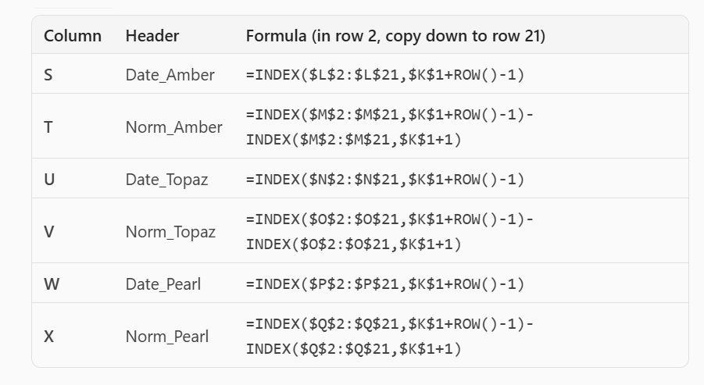
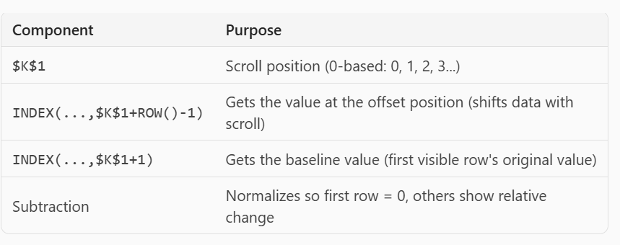
14 | Date | Discrepancy | Date | Discrepancy | Date | Discrepancy | Date_Amber | Norm_Amber | Date_Topaz | Norm_Topaz | Date_Pearl | Norm_Pearl
 | 2026-04-15 | -19.3 | 2026-04-15 | -10.3 | 2026-04-15 | 42.2 | 2026-04-29 | 0 | 2026-04-29 | 0 | 2026-04-29 | 0
 | 2026-04-16 | -17.7 | 2026-04-16 | -12.3 | 2026-04-16 | 42.6 | 2026-04-30 | 0.6 | 2026-04-30 | 2.5 | 2026-04-30 | -2
 | 2026-04-17 | -20.9 | 2026-04-17 | -12 | 2026-04-17 | 40.9 | 2026-05-01 | -0.6 | 2026-05-01 | 5 | 2026-05-01 | 0.6
normalised graphs
 | 2026-04-18 | -22.8 | 2026-04-18 | -11.4 | 2026-04-18 | 40.4
 | 2026-04-19 | -18.5 | 2026-04-19 | -13.6 | 2026-04-19 | 38.3
 | 2026-04-20 | 1.9 | 2026-04-20 | -14.1 | 2026-04-20 | 42.9
 | 2026-04-21 | 3 | 2026-04-21 | -20.3 | 2026-04-21 | 39.4
 | 2026-04-22 | 2.4 | 2026-04-22 | -22.4 | 2026-04-22 | 35.3
 | 2026-04-23 | -0.2 | 2026-04-23 | -21.8 | 2026-04-23 | 36.5
 | 2026-04-24 | 3.7 | 2026-04-24 | -13.5 | 2026-04-24 | 37.4
 | 2026-04-25 | 4.4 | 2026-04-25 | -6 | 2026-04-25 | 38.1
 | 2026-04-26 | 3.8 | 2026-04-26 | -5.5 | 2026-04-26 | 31.9
 | 2026-04-27 | 1.1 | 2026-04-27 | -6.6 | 2026-04-27 | 16.8
 | 2026-04-28 | -30.8 | 2026-04-28 | -5.6 | 2026-04-28 | 5.8
 | 2026-04-29 | -10.2 | 2026-04-29 | -11.4 | 2026-04-29 | 13.2
 | 2026-04-30 | -9.6 | 2026-04-30 | -8.9 | 2026-04-30 | 11.2
 | 2026-05-01 | -10.8 | 2026-05-01 | -6.4 | 2026-05-01 | 13.8
 | 2026-05-02 | -12.1 | 2026-05-02 | -6.9 | 2026-05-02 | 12.5
 | 0 | 0 | 2026-05-03 | -6.2 | 2026-05-03 | 12.5
 | 0 | 0 | 2026-05-04 | -8 | 2026-05-04 | 14.3

normalise refined
0 | Date | Discrepancy | Date | Discrepancy | Date | Discrepancy | Date_Amber | Norm_Amber | Date_Topaz | Norm_Topaz | Date_Pearl | Norm_Pearl
 | 2026-04-01 | 0 | 2026-04-01 | 0 | 2026-04-01 | 0 | 2026-04-01 | 0 | 2026-04-01 | 0 | 2026-04-01 | 0
 | 2026-04-02 | 9.2 | 2026-04-02 | 14.5 | 2026-04-02 | 25.6 | 2026-04-02 | 9.2 | 2026-04-02 | 14.5 | 2026-04-02 | 25.6
 | 2026-04-03 | 34.8 | 2026-04-03 | 3.5 | 2026-04-03 | 28.6 | 2026-04-03 | 34.8 | 2026-04-03 | 3.5 | 2026-04-03 | 28.6
normalised graphs
 | 2026-04-04 | -20.4 | 2026-04-04 | -11.8 | 2026-04-04 | 49 | 2026-04-04 | -20.4 | 2026-04-04 | -11.8 | 2026-04-04 | 49
 | 2026-04-05 | -17.2 | 2026-04-05 | -13 | 2026-04-05 | 45.4 | 2026-04-05 | -17.2 | 2026-04-05 | -13 | 2026-04-05 | 45.4
 | 2026-04-06 | -15.2 | 2026-04-06 | -16.5 | 2026-04-06 | 45 | 2026-04-06 | -15.2 | 2026-04-06 | -16.5 | 2026-04-06 | 45
 | 2026-04-07 | -13.9 | 2026-04-07 | -9.9 | 2026-04-07 | 44.2 | 2026-04-07 | -13.9 | 2026-04-07 | -9.9 | 2026-04-07 | 44.2
 | 2026-04-08 | -24.2 | 2026-04-08 | -10.3 | 2026-04-08 | 44.1 | 2026-04-08 | -24.2 | 2026-04-08 | -10.3 | 2026-04-08 | 44.1
 | 2026-04-09 | -20.7 | 2026-04-09 | -9.5 | 2026-04-09 | 40 | 2026-04-09 | -20.7 | 2026-04-09 | -9.5 | 2026-04-09 | 40
 | 2026-04-10 | -16.3 | 2026-04-10 | -8.9 | 2026-04-10 | 47 | 2026-04-10 | -16.3 | 2026-04-10 | -8.9 | 2026-04-10 | 47
 | 2026-04-11 | -15.8 | 2026-04-11 | -10.1 | 2026-04-11 | 47.3 | 2026-04-11 | -15.8 | 2026-04-11 | -10.1 | 2026-04-11 | 47.3
 | 2026-04-12 | -16.4 | 2026-04-12 | -12.1 | 2026-04-12 | 46.1 | 2026-04-12 | -16.4 | 2026-04-12 | -12.1 | 2026-04-12 | 46.1
 | 2026-04-13 | -16 | 2026-04-13 | -10.6 | 2026-04-13 | 47.7 | 2026-04-13 | -16 | 2026-04-13 | -10.6 | 2026-04-13 | 47.7
 | 2026-04-14 | -15.3 | 2026-04-14 | -10.9 | 2026-04-14 | 46.4 | 2026-04-14 | -15.3 | 2026-04-14 | -10.9 | 2026-04-14 | 46.4
 | 2026-04-15 | -19.3 | 2026-04-15 | -10.3 | 2026-04-15 | 42.2 | 2026-04-15 | -19.3 | 2026-04-15 | -10.3 | 2026-04-15 | 42.2
 | 2026-04-16 | -17.7 | 2026-04-16 | -12.3 | 2026-04-16 | 42.6 | 2026-04-16 | -17.7 | 2026-04-16 | -12.3 | 2026-04-16 | 42.6
 | 2026-04-17 | -20.9 | 2026-04-17 | -12 | 2026-04-17 | 40.9 | 2026-04-17 | -20.9 | 2026-04-17 | -12 | 2026-04-17 | 40.9
 | 2026-04-18 | -22.8 | 2026-04-18 | -11.4 | 2026-04-18 | 40.4 | 2026-04-18 | -22.8 | 2026-04-18 | -11.4 | 2026-04-18 | 40.4
 | 2026-04-19 | -18.5 | 2026-04-19 | -13.6 | 2026-04-19 | 38.3 | 2026-04-19 | -18.5 | 2026-04-19 | -13.6 | 2026-04-19 | 38.3
 | 2026-04-20 | 1.9 | 2026-04-20 | -14.1 | 2026-04-20 | 42.9 | 2026-04-20 | 1.9 | 2026-04-20 | -14.1 | 2026-04-20 | 42.9

